Week 1
Name

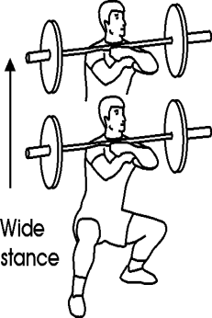
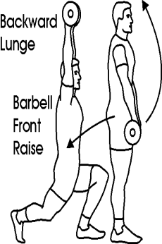
Workout 1 |  | Workout 2 |  | Workout 3 |  | Workout 4 |  | Workout 5 |  | Workout 6
#1 |  | #1 |  | #1 |  | #1 |  | #1 |  | #1
 | x 5 |  | x 5 |  | x 5 |  | x 5 |  | x 5 |  | x 5
 | x 5 |  | x 5 |  | x 5 |  | x 5 |  | x 5 |  | x 5
 | x 5 |  | x 5 |  | x 5 |  | x 5 |  | x 5 |  | x 5
 | x 5 |  | x 5 |  | x 5 |  | x 5 |  | x 5 |  | x 5
 | x 5 |  | x 5 |  |  |  | x 5

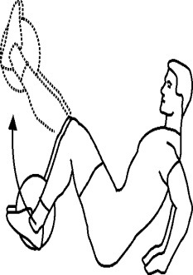
Back Squat |  | DB Squat |  | Step-ups |  | Front Squat |  | DB Lunge |  | DB Side SU
#2 |  | #2 |  | #2 |  | #2 |  | #2 |  | #2
 | x 12 |  | x 5 |  | x 12 |  | x 5 |  | x 20 |  | x 5
 | x 12 |  | x 5 |  | x 12 |  | x 5 |  | x 20 |  | x 5
 | x 12 |  | x 5 |  | x 12 |  | x 5 |  | x 20 |  | x 5
 |  |  |  |  |  |  | x 5 |  | x 20

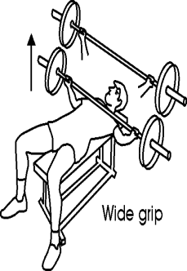
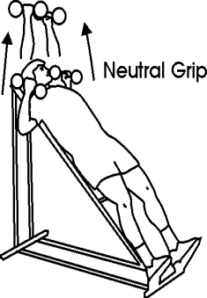
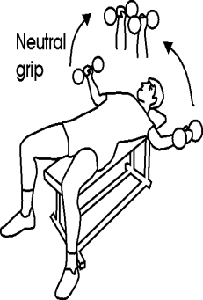
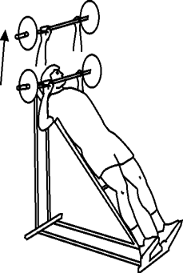
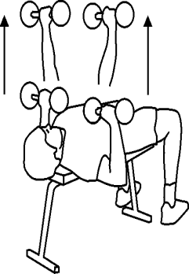
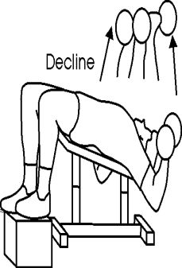
Box Jumps |  | DB Single Leg |  | MB Leg Ext |  | Lateral Jumps |  | Slide Board |  | OH Squat
#3 |  | #3 |  | #3 |  | #3 |  | #3 |  | #3
 | x 5 |  | x 5 |  | x 5 |  | x 5 |  | x 5 |  | x 5
 | x 5 |  | x 5 |  | x 5 |  | x 5 |  | x 5 |  | x 5
 | x 5 |  | x 5 |  | x 5 |  | x 5 |  | x 5 |  | x 5
 | x 5 |  | x 5 |  | x 5 |  | x 5 |  | x 5 |  | x 5
 | x 5 |  | x 5 |  |  |  | x 5 |  | x 5 |  | x 5

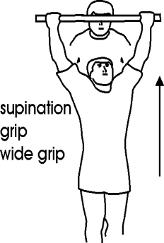
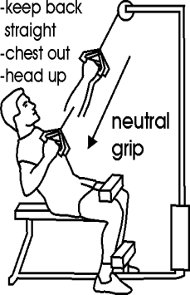
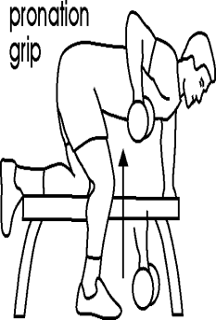
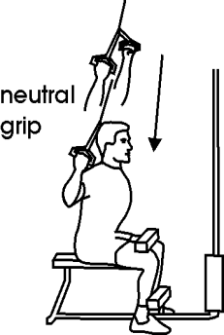
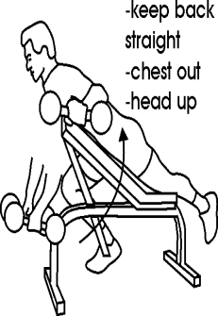
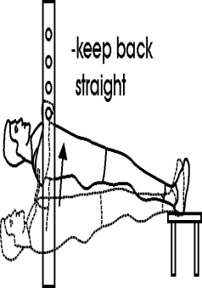
Bench Press |  | DB Incline |  | DB Flys |  | Incline Bench |  | DB Bench |  | DB Decline
#4 |  | #4 |  | #4 |  | #4 |  | #4 |  | #4
 | x 12 |  | x 10 |  | x 12 |  | x 10 |  | x 10 |  | x 12
 | x 12 |  | x 10 |  | x 12 |  | x 10 |  | x 10 |  | x 12
 | x 12 |  | x 10 |  | x 12 |  | x 10 |  | x 10 |  | x 12

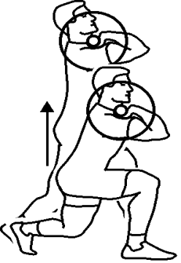

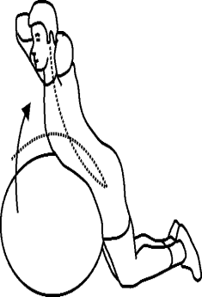
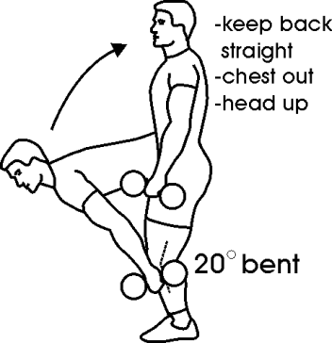
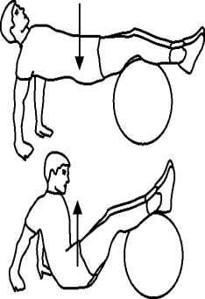
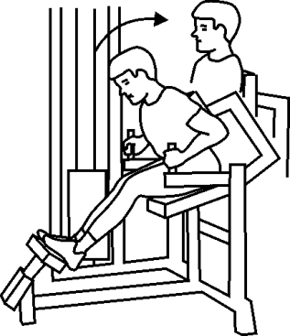
Pull-ups |  | Lat pulldowns |  | DB Rows |  | Behind Neck |  | DB Flys |  | Horiz Pullups
#5 |  | #5 |  | #5 |  | #5 |  | #5 |  | #5
 | x 5 |  | x 12 |  | x 12 |  | x 5 |  | x 12 |  | x 12
 | x 5 |  | x 12 |  | x 12 |  | x 5 |  | x 12 |  | x 12
 | x 5 |  |  |  |  |  |  |  | x 12
 | x 5

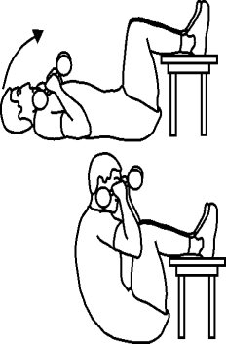
DB Single leg |  | Ex Ball |  | Glute-Ham |  | DB Goodmorning |  | Ex Ball |  | MedX Back
#6 |  | #6 |  | #6 |  | #6 |  | #6 |  | #6
 | x 20 |  | x 15 |  | x 15 |  | x 10 |  | x 12 |  | x 15
 | x 20 |  | x 15 |  | x 15 |  | x 10 |  | x 12 |  | x 15
 | x 20 |  | x 15 |  | x 15 |  | x 10 |  | x 12 |  | x 15

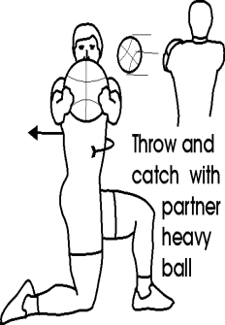
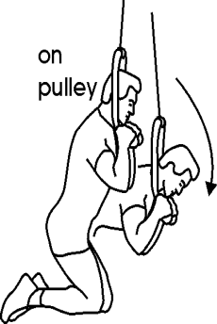
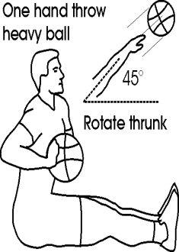
Ex Ball |  | Ex Ball |  | DB Abs |  | Ex Ball with Plate |  | Bar Abs |  | Hip-ups
#7 |  | #7 |  | #7 |  | #7 |  | #7 |  | #7
 | x 10 |  | x 12 |  | x 10 |  | x 15 |  | x 12 |  | x 10
 | x 10 |  | x 12 |  | x 10 |  | x 15 |  | x 12 |  | x 10
 |  |  | x 12 |  | x 10 |  | x 15 |  | x 12 |  | x 10

Med Ball |  | Pulley |  | MB |  | Hang Abs |  | MB Ex Ball |  | Ab Wheel
DATE |  | DATE |  | DATE |  | DATE |  | DATE |  | DATE
____/____ |  | ____/____ |  | ____/____ |  | ____/____ |  | ____/____ |  | ____/____

